Sheet1
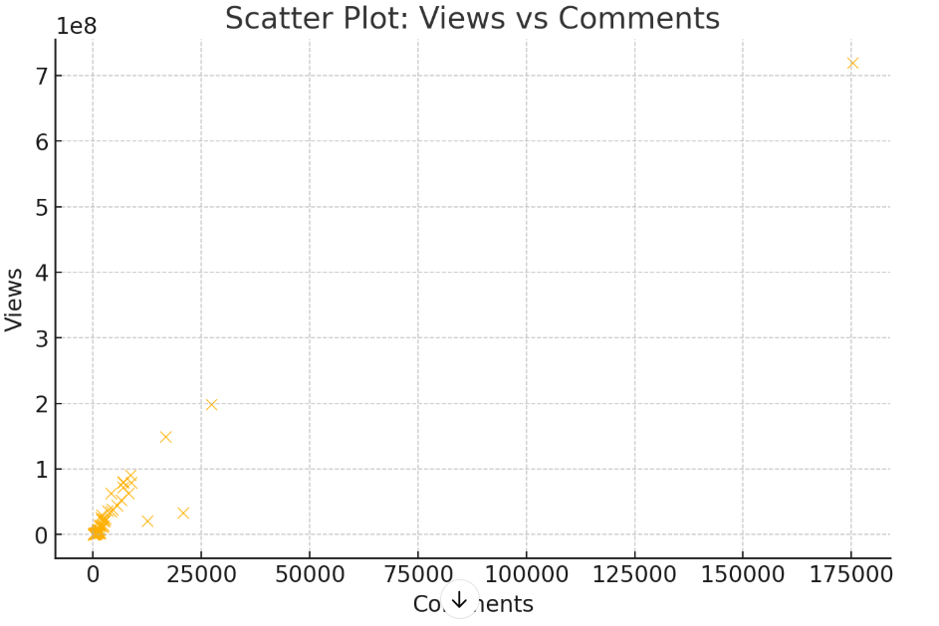
The dataset contains 64 YouTube video records with various attributes, including engagement metrics (views, likes, comments), image properties (brightness, contrast, sharpness), and facial presence data.

Key Insights from Regression and Visualization:

1. Regression Analysis Findings:

The model explains 99.3% of the variance in video views (R² = 0.993), indicating a strong fit.
Likes have a strong positive correlation with views (p-value < 0.001), meaning more likes are associated with higher views.
Comments have a negative impact on views (p-value = 0.001), suggesting that videos with more comments tend to have slightly fewer views, possibly due to controversial topics leading to discussions but not necessarily more engagement.
Brightness, contrast, saturation, sharpness, and the number of faces in the thumbnail do not show statistically significant effects on views.
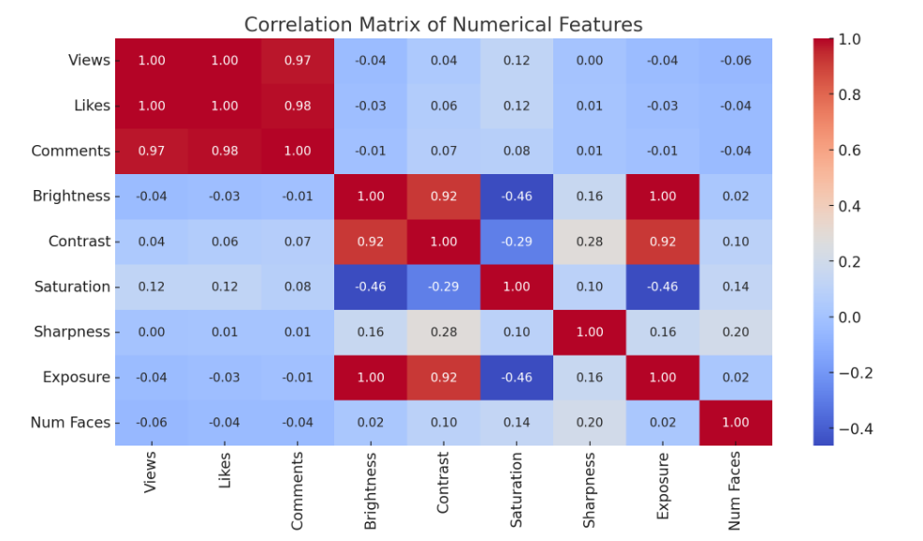
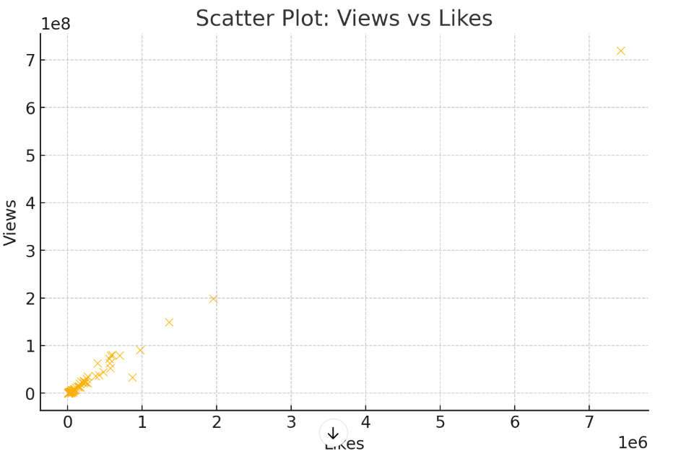
There might be multicollinearity issues (condition number is high), meaning some independent variables are highly correlated.

2. Visual Insights:

The correlation heatmap shows that views and likes are highly correlated (0.99), reinforcing the regression result.
The scatter plot of views vs. likes shows a clear upward trend, confirming that higher likes generally correspond to higher views.
The scatter plot of views vs. comments shows a weaker and slightly negative trend, aligning with the regression finding.

Recommendations:

Prioritize strategies to increase likes (e.g., call-to-action prompts, engaging content) as they are the strongest predictor of views.
Analyze the comment sentiment to understand why more comments might negatively impact views.
Experiment with thumbnail brightness and contrast optimizations, even though they were not statistically significant in this model.

